Test summary report
Tester | PVBDat
Date | 13/08/2026
Project: Smart Spend AI
Team: 4

Function/Feature ID | Case ID | Test case name | Test step | Expected Result (ER) | Actual Result | Status | Tester | Tested Date | Device
Function 02: Login
UC02 | UI01 | Login with correct credentials | 1. Enter Email: "pvbdat2431@clc.fitus.edu.vn" 2. Enter Password: "D@tadmin23" 3. Press "Login" button | 1. Authenticated 2. Jump to "Homepage" screen | Same as ER | Pass | PVBDat | 2026-08-11 | Web
UC02 | UI02 | Login with Google Sign-In | 1. Press "Login with Google" button 2. Choose Email: "pvbdat2431@clc.fitus.edu.vn" 3. Press "Continue" button | 1. Authenticated 2. Jump to "Homepage" screen | Same as ER | Pass | PVBDat | 2026-08-11 | Web
UC02 | UI03 | Invalid email | 1. Enter Email: "pvbdatclc.fitus.edu.vn" 2. Enter Password: "D@tadmin23" 3. Press "Login" button | 1. Unauthenticated 2. Show email format warning message | Same as ER | Pass | PVBDat | 2026-08-11 | Web
UC02 | UI04 | Login with incorrect password | 1. Enter Email: "pvbdat2431@clc.fitus.edu.vn" 2. Enter Password: "WrongPassword123" 3. Press "Login" button | 1. Unauthenticated 2. Show incorrect credentials error message | Same as ER | Pass | PVBDat | 2026-08-11 | Web
UC02 | UI05 | Login with unregistered email | 1. Enter Email: "unregistered@gmail.com" 2. Enter Password: "D@tadmin23" 3. Press "Login" button | 1. Unauthenticated 2. Show incorrect credentials error message | Same as ER | Pass | PVBDat | 2026-08-11 | Web
UC02 | UI06 | Login with blank username/password | 1. Enter Email: "" 2. Enter Password: "D@tadmin23" 3. Press "Login" button | 1. Show warning (e.g: Email can not be empty) | Same as ER | Pass | PVBDat | 2026-08-11 | Web
Function 07: Add manual transaction
UC07 | UI01 | Add manual transaction (Income) | 1. Press "Add Transaction" button 2. Enter transaction's name: "Bonus Salary" 3. Select Type: "Income" 4. Enter Amount: "5000000" 5. Select Category: "Salary" 6. Select Date: "26/05/2026" 7. Select Time: "05:26" 8. Enter Note: "May Bonus Salary" 9. Press "Save Transaction" button | 1. Transaction added successfully 2. Balance updated accordingly 3. Reflect updated data on UI | Same as ER | Pass | PVBDat | 2026-08-12 | Web
UC07 | UI02 | Add manual transaction (Expense) | 1. Press "Add Transaction" button 2. Enter transaction's name: "Eat" 3. Select Type: "Expense" 4. Enter Amount: "500000" 5. Select Category: "Food and Drink" 6. Select Date: "26/05/2026" 7. Select Time: "05:26" 8. Enter Note: "Breakfast" 9. Press "Save Transaction" button | 1. Transaction added successfully 2. Balance and history updated | Same as ER | Pass | PVBDat | 2026-08-12 | Web
UC07 | UI03 | Add manual transaction with invalid amount | 1. Press "Add Transaction" button 2. Enter transaction's name: "Bonus Salary" 3. Select Type: "Income" 4. Enter Amount: "5000000000" 5. Select Category: "Salary" 6. Select Date: "26/05/2026" 7. Select Time: "05:26" 8. Enter Note: "May Bonus Salary" 9. Press "Save Transaction" button | 1. Show validation error: "Transaction cannot greater than 2 Billions" | 1. Transaction accept value larger than 2 Billions | Fail | PVBDat | 2026-08-12 | Web
UC07 | UI04 | Add manual transaction with invalid time | 1. Press "Add Transaction" button 2. Enter transaction's name: "Bonus Salary" 3. Select Type: "Income" 4. Enter Amount: "5000000" 5. Select Category: "Salary" 6. Select Date: "26/05/2026" 7. Select Time: "25:26" 8. Enter Note: "May Bonus Salary" 9. Press "Save Transaction" button | 1. Show validation error: "Invalid Time" | Same as ER | Pass | PVBDat | 2026-08-12 | Web
UC07 | UI05 | Add manual transaction with zero amount | 1. Press "Add Transaction" button 2. Enter transaction's name: "Bonus Salary" 3. Select Type: "Income" 4. Enter Amount: "0" 5. Select Category: "Salary" 6. Select Date: "26/05/2026" 7. Select Time: "05:26" 8. Enter Note: "May Bonus Salary" 9. Press "Save Transaction" button | 1. Show validation error: "Amount must be greater than 0" | Same as ER | Pass | PVBDat | 2026-08-12 | Web
UC07 | UI06 | Add manual transaction with blank mandatory fields (Name, Amount, Date, Time) | 1. Press "Add Transaction" button 2. Enter transaction's name: "" 3. Select Type: "Income" 4. Enter Amount: "5000000" 5. Select Category: "Salary" 6. Select Date: "26/05/2026" 7. Select Time: "05:26" 8. Enter Note: "May Bonus Salary" 9. Press "Save Transaction" button | 1. Show warning: (e.g: Transaction name is required) | Same as ER | Pass | PVBDat | 2026-08-12 | Web

Function/Feature ID | Case ID | Result Image | Column 1
Function 02: Login
UC02 | UI01 | 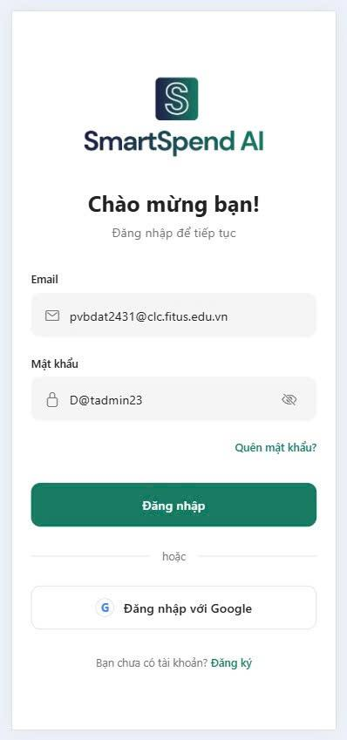 | Login with correct credentials
UC02 | UI02 | 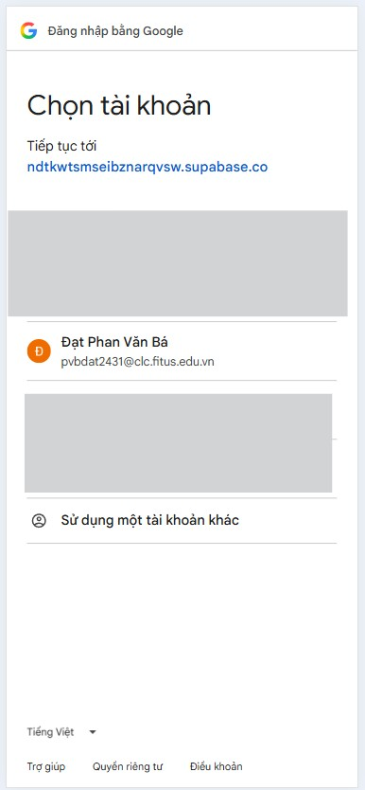 | Login with Google Sign-In
UC02 | UI03 | 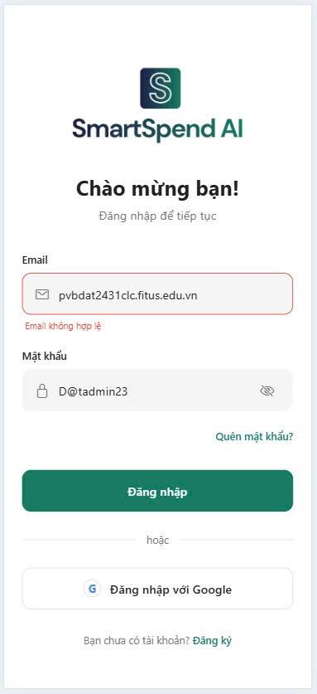 | Invalid email
UC02 | UI04 | 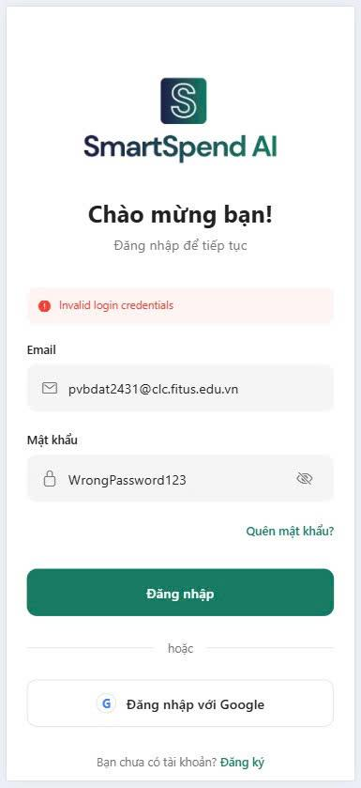 | Login with incorrect password
UC02 | UI05 | 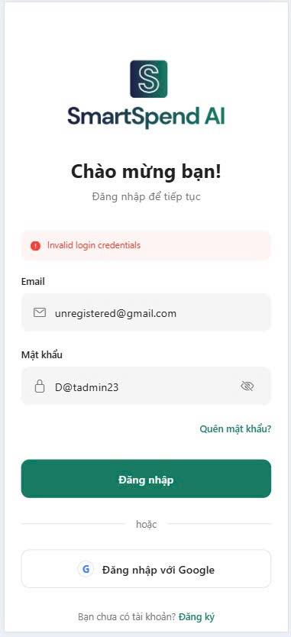 | Login with unregistered email
UC02 | UI06 | 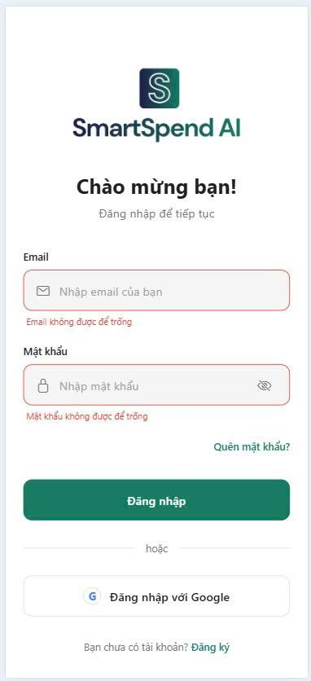 | Login with blank username/password
Function 07: Add manual transaction
UC07 | UI01 | 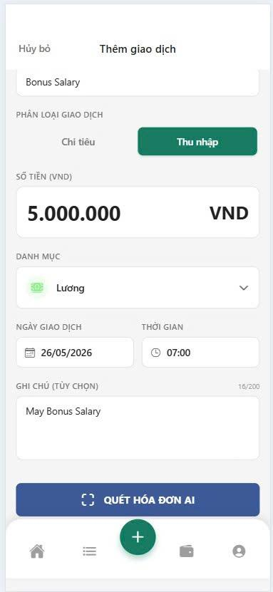 | Add manual transaction (Income)
UC07 | UI02 | 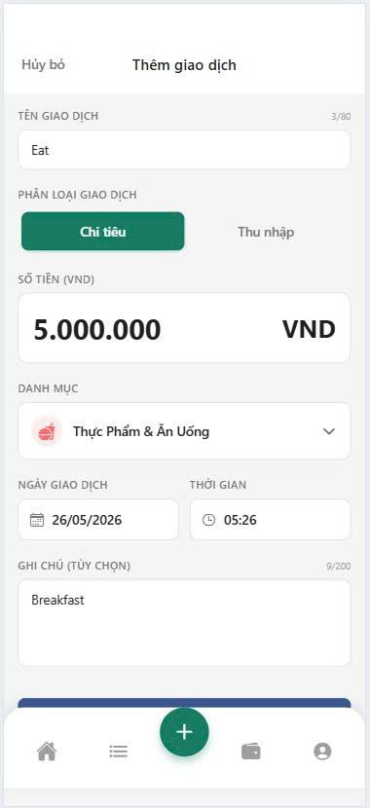 | Add manual transaction (Expense)
UC07 | UI03 | 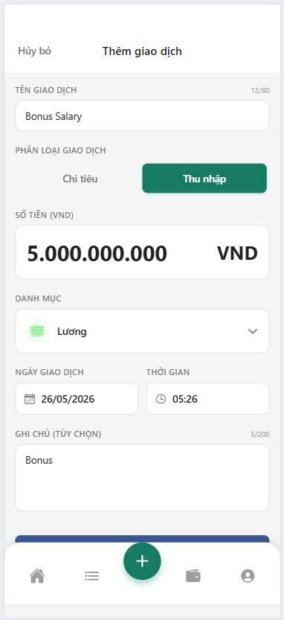 | Add manual transaction with invalid amount
UC07 | UI04 | 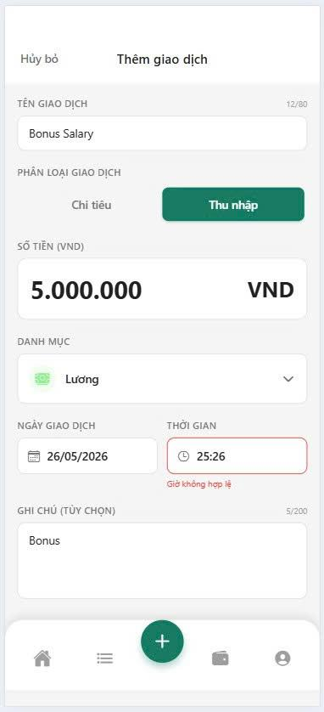 | Add manual transaction with invalid time
UC07 | UI05 | 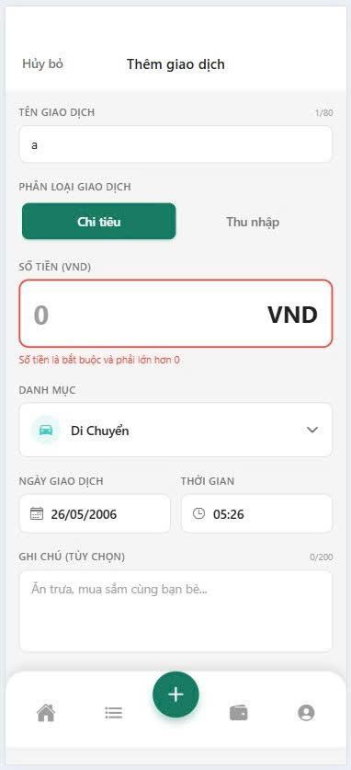 | Add manual transaction with zero amount
UC07 | UI06 | 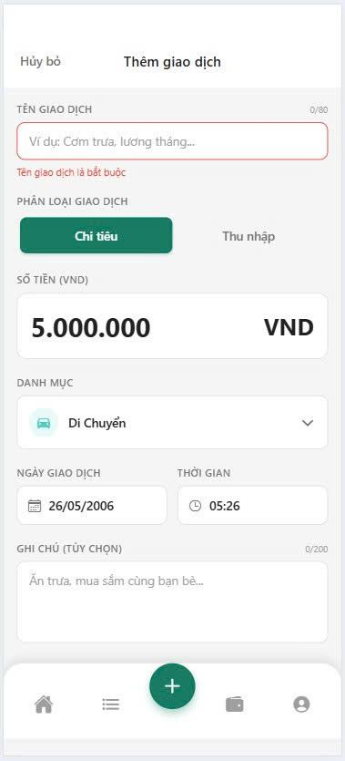 | Add manual transaction with blank mandatory fields (Name, Amount, Date, Time)

